Sheet1
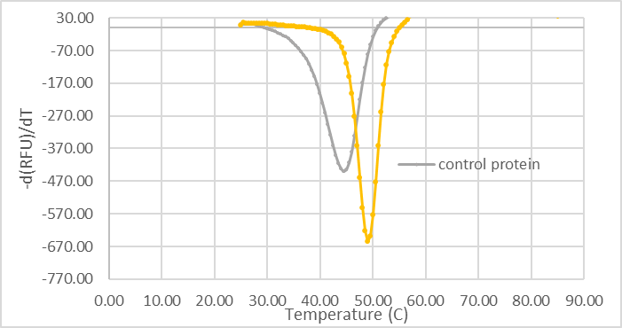
Tm Values
Condition # | Condition | Rep 1 | Rep 2 | Rep 3 | Avg
1 | Control protein | 45.00 | 46.00 | 45.50 | 45.50
2 | Control protein +ligand | 49.00 | 49.00 | 49.00 | 49.00
3 | no protein | 49.50 | 49.00 | 46.50 | 48.33
4 | FKBP12 + DMSO | 60.50 | 60.50 | 61.50 | 60.83
5 | FKBP12 + 10 uM Rap | 75.50 | 76.00 | 74.50 | 75.33
6 | FKBP12 + 0.1 uM Rap | 60.00 | 61.00 | 60.50 | 60.50
7 | FKBP12 + ligand1 | 60.00 | 61.50 | 60.50 | 60.67
8 | FKBP12 + ligand2 | 57.50 | 58.50 | 59.50 | 58.50
 | no protein + DMSO | FKBP12 + DMSO | FKBP12 + 10 uM Rapamycin | FKBP12 + 0.1 uM Rapamycin | FKBP12 + ligand8 | FKBP12 + ligand22
25 | 1.0789466834 | 2.981501571 | 4.6769308327 | 3.6810942432 | 5.4643487372 | 10.890528255
25.5 | 2.3377178141 | 6.4599200706 | 10.133350137 | 7.9757041935 | 11.839422264 | 23.596144552
26 | 2.1578933668 | 5.9630031421 | 9.3538616654 | 7.3621884863 | 10.928697474 | 21.78105651
26.5 | 2.1578933668 | 5.9630031421 | 9.3538616654 | 7.3621884863 | 10.928697474 | 21.78105651
27 | 2.1578933668 | 5.9630031421 | 9.3538616654 | 7.3621884863 | 10.928697474 | 21.78105651
27.5 | 2.149981494 | 5.9309623944 | 9.2632736229 | 7.3276794316 | 10.936738932 | 21.906567631
28 | 2.1666521022 | 6.084568726 | 9.7636633469 | 7.5254911243 | 10.859462921 | 21.070272898
28.5 | 2.4350249 | 6.7549973295 | 11.221089246 | 8.0287907446 | 10.938878125 | 19.965370254
29 | 3.047293003 | 7.5134234351 | 12.776916771 | 8.583345614 | 11.135468688 | 19.329581809
29.5 | 3.8869274908 | 8.1626325493 | 14.034744245 | 9.1140966927 | 11.532129101 | 18.868908208
30 | 3.7506689927 | 8.0093600476 | 14.199451565 | 8.9499583553 | 11.309759646 | 17.945022073
30.5 | 2.8589584949 | 7.1695345467 | 13.428308217 | 7.8768443164 | 10.054915943 | 16.117551653
31 | 2.480681691 | 6.3221164895 | 12.542724937 | 6.5875869373 | 8.6876688251 | 14.209389092
31.5 | 2.0488272769 | 5.2275831987 | 11.472218827 | 5.4620086804 | 7.6053949362 | 12.617560364
32 | 1.3737374565 | 4.2423854518 | 10.461712035 | 4.4950311657 | 6.3548354437 | 11.034667355
32.5 | 1.1006578495 | 3.8013835964 | 10.082562454 | 3.899696878 | 5.2394405604 | 9.4873734459
33 | 1.1941171212 | 3.6530161891 | 10.196780214 | 3.8545949729 | 4.8718718721 | 8.7114022556
33.5 | 1.205706611 | 3.4764963158 | 10.141409861 | 3.8054754294 | 4.7060313118 | 8.0423796447
34 | 1.276638759 | 3.3768081322 | 9.9923381378 | 3.4567948174 | 4.3679918153 | 7.1135150309
34.5 | 1.3146619108 | 3.1734829713 | 9.8609145916 | 3.2800888958 | 4.059123141 | 6.3969915414
35 | 1.3560340632 | 2.8312579346 | 9.5826482101 | 3.0572883676 | 4.0076607971 | 6.089789383
35.5 | 1.3585349065 | 2.4191570096 | 8.9789313495 | 2.5135472667 | 3.7189073329 | 5.630794146
36 | 1.1478426638 | 2.0212250106 | 8.4323868653 | 2.1917880593 | 3.2263736839 | 5.1407789349
36.5 | 0.79207369098 | 1.8010138239 | 8.0804251426 | 2.2057607452 | 2.882648634 | 4.783188113
37 | 0.48899498116 | 1.5897085305 | 7.6946478245 | 1.902964471 | 2.5516794408 | 4.3547520411
37.5 | 0.32957330088 | 1.3811495376 | 7.2595877591 | 1.5709858024 | 2.1601907485 | 3.8117248758
38 | 0.14275027475 | 1.4154628929 | 6.9769677213 | 1.5845286639 | 2.0767082188 | 3.4239253693
38.5 | 0.069304274994 | 1.5018720102 | 6.7224393465 | 1.3335380917 | 2.1322419581 | 3.2472476395
39 | 0.16933066904 | 1.7016404457 | 6.4958139045 | 1.0366504603 | 2.0538076202 | 2.9897321849
39.5 | 0.14983812196 | 1.9577458631 | 6.1939660461 | 0.9901660423 | 2.120651049 | 2.7254541124
40 | 0.0068105544257 | 2.3830580565 | 5.7629760502 | 0.8868772245 | 2.1352908975 | 2.5079453065
40.5 | 0.085200811658 | 2.9666176602 | 5.4464871297 | 0.78285477281 | 2.1566447908 | 2.2671926187
41 | -0.075920916737 | 3.4211070393 | 5.268337128 | 1.2092066061 | 2.384599892 | 1.9424355081
41.5 | -0.43261009978 | 3.6604220256 | 4.8831635406 | 1.6863412616 | 2.5202293713 | 1.8763005715
42 | -0.39752720828 | 3.9242570289 | 4.4864677762 | 1.8846280361 | 2.6770297688 | 1.9424667357
42.5 | -0.44951438596 | 4.1777887995 | 4.2367367649 | 2.3747337419 | 3.1818753348 | 2.126873016
43 | -0.75878679831 | 4.229206491 | 3.8821731029 | 2.8682472965 | 3.4708671528 | 2.4335217561
43.5 | -0.91727166183 | 4.3514165993 | 3.4332967381 | 2.9882152808 | 3.3743908783 | 2.5973629156
44 | -0.96052745181 | 4.5487564242 | 2.9903111531 | 2.9563644378 | 3.6619173407 | 2.4542090874
44.5 | -1.2110997389 | 4.7679324064 | 2.6753894584 | 3.24625285 | 3.9765065469 | 2.3036313012
45 | -1.4205421828 | 4.982753876 | 2.4312979918 | 3.5380098048 | 3.998001936 | 2.2527566704
45.5 | -1.5434554793 | 5.2115509813 | 2.1578625028 | 3.5689328401 | 4.1183585551 | 2.0697043878
46 | -1.5371897297 | 5.5246515205 | 1.805635866 | 3.7070670623 | 4.4748720149 | 2.1601617586
46.5 | -1.6282949258 | 5.7916522996 | 1.6677580748 | 4.0997405557 | 4.6338241375 | 2.6969863916
47 | -1.7164262779 | 6.0690534056 | 1.4294441 | 4.2143139686 | 4.6556511335 | 3.1192063324
47.5 | -1.7438081108 | 6.2505447463 | 1.2049116358 | 4.0519162181 | 4.7056146229 | 3.043623977
48 | -1.808243989 | 6.1943490598 | 1.1833338128 | 4.2436385564 | 4.8475905962 | 3.028188868
48.5 | -1.8866267099 | 6.1122884966 | 1.3179988537 | 4.456519924 | 4.9919386006 | 2.9811125626
49 | -1.8998052574 | 6.2679317624 | 1.5369938189 | 4.466689692 | 5.0384907441 | 2.449920425
49.5 | -1.8743369965 | 6.3714803278 | 2.0431959956 | 4.5163904109 | 5.1082165669 | 1.9471078694
...

